RFQ_ (B面)
Shanghai Amphenol Request for Quotation(SMT)
RFQ Rev:01 Date:2025.11.11 Prepared by: Raul.Liu Checked by: Baron ye
Information: SAA PN.and Rev.:- RFQ_SAA Customer PN.and Rev.: ---- Config.:--- |  |  |  | MP |  | Sample | √
第一面贴片
Drawing or Pic: | 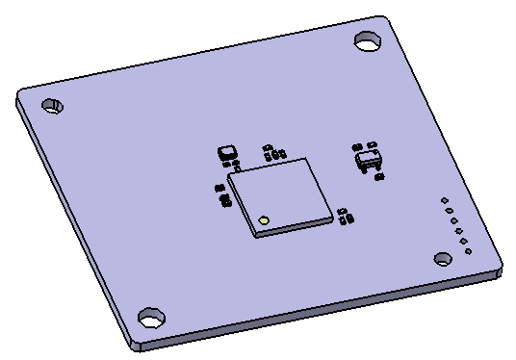 |  |  |  |  |  | SMT include:Bom | Material : FR4 L*W*T: 225x260x1.6mm DFM panel pcs：4*5=20
顶配版（PANA+SPI+P&P+Vacuum+AXI+AOI+Traceability)
No | Process Description | Manpower | Cycle Time and Capacity |  |  | Yield Rate/Scrap Rate |  | Line Fixture and Equipment | Fixture |  |  | Equipment |  | solder paste | Glue
 |  | Unit Op | Unit (sec/panel) | Cycle Time (sec/pcs) | Capacity (pcs/shift) | Scrap rate | Yield rate | Fixture or Equipment Descrition | Q'ty | Unit cost | Total cost | Unit cost | Total cost/shift | Unit cost | Total cost/pcs | 销售建议单板工时 (sec/pcs) | 20 | 60
1 | PCB setup to magazine-B | 0 | 4 | 1.0 | 39600 | 0.00% | 100.00% | SMT carrier | 0 | ￥1,000 | ￥0
2 | Laser marking | 0 | 44 | 2.2 | 18000 | 0.05% | 99.95% | Laser machine | 0 | ￥0 | ￥0 |  |  |  |  | 2.5
3 | PRINTING SOLDER PASTE-B | 0.5 | 30 | 1.5 | 26400 | 0.05% | 99.95% | Printer machine/stencil | 3 | ￥1,000 | ￥3,000 |  |  | 0.2g
4 | Dispensing Red Glue | 0 | 40 | 2.0 | 19800 | 0.05% | 99.95% | Printer machine/stencil | 3 | ￥1,000 | ￥3,000 |  |  |  | 0.1g
5 | SPI-B | 0 | 30 | 1.5 | 26400 | 0.00% | 100.00% | SPI | 0 | ￥0 | ￥0
6 | PICK AND PLACEMENT-B（4台机） | 2 | 28 | 1.4 | 28286 | 0.05% | 99.95% | mounter | 4 | ￥2,500 | ￥10,000 |  |  |  |  | 2.77 | P&P1：0.56 | P&P2：0.9 | P&P3：1.66 | P&P4：2.27
7 | REFOLW(Vacuum)-B | 0 | 40 | 2.0 | 19800 | 0.05% | 99.95% | reflow oven | 0 | ￥0 | ￥0 |  |  |  |  | 2
8 | AOI-B | 1 | 30 | 1.5 | 26400 | 0.00% | 100.00% | AOI | 0 | ￥0 | ￥0
Sum. |  | 3.5 | 246.0 | 7.7 | 18000 | 0.25% | 99.75% |  |  |  | ￥16,000 |  | ￥0 | ￥0.00 | ￥0.00
Total Cost |  | 人工 |  |  |  |  |  |  |  | Fixture | ￥- | Equipment | ￥0.00 | Other | ￥-
Notes: 1.RFQ cycle time is mass production cycle time based on current design. 2.RFQ is only based on one balanced production line 3.Work time is 10 hours each shift. 4.Cycle time=Balanced time* Manpower.

RFQ（T面）
Shanghai Amphenol Request for Quotation(SMT)
RFQ Rev:01 Date:2024.4.1 Prepared by: Raul.Liu Checked by: Baron ye
Information SAA PN.and Rev.:--RFQ_SAA Customer PN.and Rev.: ---- Config.:--- |  |  |  | MP |  | Sample | √
Drawing or Pic: | 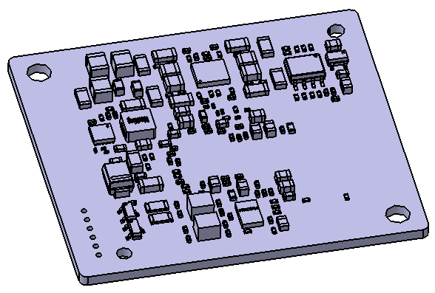 |  |  |  |  |  | SMT include:Bom | Material : FR4 L*W*T: 225x260x1.6mm DFM panel pcs：4*5=20
顶配版（PANA+SPI+P&P+Vacuum+AXI+AOI+Traceability)
No | Process Description | Manpower | Cycle Time and Capacity |  |  | Yield Rate/Scrap Rate |  | Line Fixture and Equipment | Fixture |  |  | Equipment |  | solder paste | Glue
 |  | Unit Op | Unit (sec/panel) | Cycle Time (sec/pcs) | Capacity (pcs/shift) | Scrap rate | Yield rate | Fixture or Equipment Descrition | Q'ty | Unit cost | Total cost | Unit cost | Total cost/shift | Unit cost | Total cost/pcs | 销售建议单板工时 (sec/pcs) | 20 | 60
1 | PCB setup to magazine-T | 0 | 6 | 0.3 | 132000 | 0.00% | 100.00% | SMT carrier | 0 | ￥1,000 | ￥0
2 | Laser marking | 0 | 5 | 0.3 | 158400 | 0.05% | 99.95% | Laser machine | 0 | ￥0 | ￥0 |  |  |  |  | Bypass
3 | PRINTING SOLDER PASTE-T | 0.5 | 30 | 1.5 | 26400 | 0.05% | 99.95% | Printer machine/stencil | 1 | ￥1,000 | ￥1,000 |  |  | 0.6
4 | SPI-T | 0 | 30 | 1.5 | 26400 | 0.00% | 100.00% | SPI | 0 | ￥0 | ￥0
5 | PICK AND PLACEMENT-（4台机) | 2 | 140 | 7.0 | 5657 | 0.05% | 99.95% | mounter | 0 | ￥2,500 | ￥0 |  |  |  |  | 8.31 | P&P1：7.48 | P&P2：7.05 | P&P3：7.75 | P&P3：8.31
6 | REFOLW(Vacuum)-T | 0 | 70 | 1.8 | 22629 | 0.05% | 99.95% | reflow oven | 0 | ￥0 | ￥0 |  |  |  |  | 2
8 | AOI-T | 1 | 30 | 1.5 | 26400 | 0.00% | 100.00% | AOI | 0 | ￥0 | ￥0
Sum. |  | 3.5 | 311.0 | 24.5 | 5657 | 0.20% | 99.80% |  |  |  | ￥1,000 |  | ￥0 | ￥0.60 | ￥0.00
Total Cost |  | 人工 |  |  |  |  |  |  |  | Fixture | ￥- | Equipment | ￥0.00 | Other | ￥0.60
Notes: 1.RFQ cycle time is mass production cycle time based on current design. 2.RFQ is only based on one balanced production line 3.Work time is 10 hours each shift. 4.Cycle time=Balanced time* Manpower.

