Guideline
Process Concept Guidelines

1. | Design Drawing | - Upload Supplier Portal downloaded drawing files for the latest PCBA PN:
 |  | 1. 3D Step Files
 |  | 2. PCBA Assembly Drawings
 |  | 3. PCBA Coating Drawings
 |  | 4. Planned Panelization Dimension Drawings
 |  | 5. Any Misc. Drawing Requirements

2. | Process Concept | - Complete initial Process Concept Data:

 |  | 1. Days per week should be less than or equal to 5 days per week
 |  | 2. Units/Week should be matching quantity in RFQ and be for PCBA units
 |  | 3. Qty of SMD components should be by PCBA
 |  | 4. Labour Rate is based on USD/hour
 |  | 5. Update the Date to latest Process Concept completion date for revision control

 |  | - Complete the planned process stations for the product and complete all fields

 |  | 1. Line ID should be labelled sequentially starting from 1,2,3,…etc. All in-line work cells should share the same line ID. Each lane in a dual lane lines should be considered as separate lines that are not in-line.
 |  | 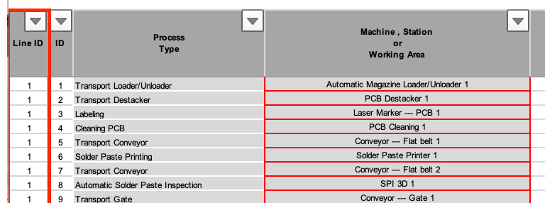
 |  | 2. Machine Station needs to be completed with only drop down data. Please notify the SIE if it is missing any stations that are intented to be on the PCBA line. No duplication is allowed.
 |  | 3. All Machine Time needs to be de-rated already based on number of equipment
 |  | 4. All Machine Time needs to be per PCBA, not per panel
 |  | 5. All Machine Time should be assuming 100% OEE
 |  | 6. All Machine Time needs to be below Calculated Process Cycle Time

 |  | - Complete the Layout Drawing

 |  | 1. Layout needs to match with Station ID number in the Process Concept
 |  | 2. Layout needs to include all breaks in the Process Flow and show the individual work cells

 |  | - Complete the CPH per SMT module data
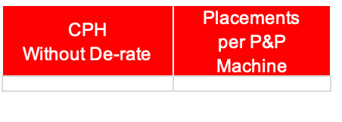

 |  | 1. CPH is without any de-rate
 |  | 2. CPH should be placements by PCBA, not by panel
 |  | 3. Suppliers should use CPH tab as reference if needed

Design Drawing
3D Step File Drawing |  | PCBA Assembly Drawing |  | PCBA Coating Drawing |  | Dimensional Panel Drawings |  | Additional Drawings if Applicable

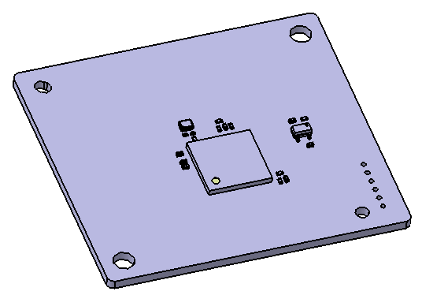

 | TOP |  | TOP |  | TOP |  | TOP |  | TOP

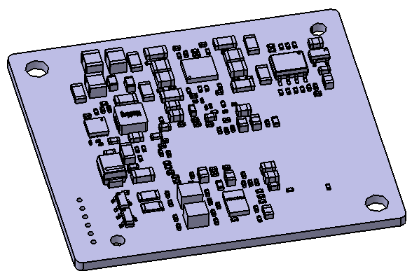

 | BOT |  | BOT |  | BOT |  | BOT |  | BOT

Process Concept
 |  |  |  | Calculated |  | Manual Required |  | Drop down List |  | Duplicated

Layout
 |  |  |  | Part Number: | 1616631-10-L_03 | Revision: | B | Date: | 2025-11-11 | Units per Panel | 20 |  | Production Floor Area |  | 3229 | Sq ft
 |  |  |  | Description: | Interior Radar |  |  | Days per week: | 5 | OEE | 85% |  | Production Floor Area |  | 300 | Sq m
 |  |  |  | SIE: | Jerry yao | Units/Week | 1000 | Hours per day: | 21.5 | Process Cycle time | 328.95 | sec | Qty of SMD components Top (PCBA) |  | 156
 |  |  |  | Supplier: | Amphenol | Location: | Thailand | Takt time: | 387.00 | Labour Rate |  |  | Qty of SMD components Bottom (PCBA) |  | 19 |  |  |  | Operator indicator or
 |  |  |  |  |  |  |  | Panel Size (W) | 220 | mm. Panel Size (L) | 280 | mm |  | 63 | $5,320,687.00 | 14

Line ID | ID | Process Type | Machine , Station or Working Area | Equipment Manufacturer | Model | Equipment Cost (USD) |  |  | Equipment Lead Time (weeks) | Cycle Time + Load/Unload (sec) | Operator Qty | Comments | Process Type | Qty | Equipment Cost | HC | CPH Without De-rate | Placements per P&P Machine (PCBA)
1/2
Side-B/T
1 | 1 | Transport Loader/Unloader | Automatic Magazine Loader/Unloader 1 | Conber-single | CLD-880A | $9,921.00 |  |  | 6 | 1 | 0 | bypass | Transport Loader/Unloader | 6 | $59,526.00 | 2
1 | 2 | Transport Destacker | PCB Destacker 1 | Conber-single | CVP-75 | $8,000.00 |  |  | 6 | 1 | 0.5 | Put PCB | Transport Destacker | 2 | $16,000.00 | 1
1 | 3 | Transport Conveyor | Conveyor --- Single 1 | Conber-single | CWT-100A | $3,818.00 |  |  | 6 | 1 | 0 |  | Transport Conveyor | 10 | $39,284.00 | 0
1 | 4 | Labeling | Laser Marker --- PCB 1 | Dazu-single | CO2-PCB500D | $76,181.00 |  |  | 8 | 2.5 | 0 |  | Labeling | 2 | $152,362.00 | 0
1 | 5 | Transport Conveyor | Conveyor --- Single 2 | Conber-single | CWT-100A | $3,818.00 |  |  | 8 | 1 | 0 |  | Solder Paste Printing | 2 | $312,864.00 | 1
1 | 6 | Solder Paste Printing | Solder Paste Printer 1 | Panasonic | NM-EJP6A(Add automatic solder paste ) | $156,432.00 |  |  | 8 | 1.5 | 0.5 |  | Dispensing Glue | 1 | $65,511.00 | 0
1 | 7 | Transport Conveyor | Conveyor --- Single 3 | Conber-single | CWT-100A | $3,818.00 |  |  | 8 | 1 | 0 |  | Transport Shuttle | 8 | $38,864.00 | 0
1 | 8 | Dispensing Glue | Dispensing Glue 1 | Anda/Axxon | Ijet-9/AU77S | $65,511.00 |  |  | 8 | 4 | 0 | Shield Frame*1 | Automatic Solder Paste Inspection | 2 | $220,472.00 | 1
1 | 9 | Transport Shuttle | Conveyor --- Shuttle 1 | XYD | STC-050ST145 | $4,858.00 |  |  | 6 | 1 | 0 |  | Transport reject | 5 | $41,228.00 | 0
1 | 10 | Automatic Solder Paste Inspection | SPI 3D 1 Dual Lane | TRI | TR7007D DL | $110,236.00 |  |  | 8 | 1.5 | 0.5 |  | Automatic Placement --- SMT | 8 | $1,622,672.00 | 4
1 | 11 | Transport reject | Conveyor --- Reject 1 Dual Lane | S&M | OK / NG-reject conveyor | $8,378.00 |  |  | 8 | 1 | 0 |  | SMT Reflow Vacuum | 2 | $1,049,438.00 | 0
1 | 12 | Automatic Placement --- SMT | SMT P&P 1 Dual Lane | Panasonic | NPM-W2_16+16 | $202,834.00 |  |  | 8 | 0.56 | 2 |  | Transport Buffer | 2 | $47,168.00 | 0 | 77000 | 6
1 | 13 | Automatic Placement --- SMT | SMT P&P 2 Dual Lane | Panasonic | NPM-W2_8+8 | $202,834.00 |  |  | 8 | 0.90 | 0 |  | Automatic Optical Inspection --- SMD | 2 | $448,346.00 | 1 | 48000 | 6
1 | 14 | Automatic Placement --- SMT | SMT P&P 3 Dual Lane | Panasonic | NPM-W2_8+2 | $202,834.00 |  |  | 8 | 1.66 | 0 |  | Transport Flipper | 3 | $24,093.00 | 0 | 13000 | 3
1 | 15 | Automatic Placement --- SMT | SMT P&P 4 Dual Lane | Panasonic | NPM-W2_8+3 | $202,834.00 |  |  | 8 | 2.77 | 0 |  | Automatic X-ray Inspection | 1 | $460,787.00 | 1 | 13000 | 5
1 | 16 | Transport Conveyor | Conveyor --- Dual 1 | S&M | PTB-D350 | $4,094.00 |  |  | 6 | 1 | 0 |  | ICT off-line | 1 | $567,740.00 | 1
1 | 17 | Transport Shuttle | Conveyor --- Shuttle 2 | XYD | STC-050ST145 | $4,858.00 |  |  | 6 | 1 | 0 |  | Depaneling | 1 | $138,582.00 | 1
1 | 18 | SMT Reflow Vacuum | Reflow Oven w/ Vacuum 1 Dual Lane | Rehm/Ersa | VXP+nitro4200（typ834 vac） / EXOS10/26 | $524,719.00 |  |  | 20 | 2 | 0 |  | Programming off-line | 3 | $9,450.00 | 1
1 | 19 | Transport Shuttle | Conveyor --- Shuttle 3 | XYD | STC-050ST145 | $4,858.00 |  |  | 6 | 1 | 0 |  | FVT off-line | 2 | $6,300.00 | 1
1 | 20 | Transport Conveyor | Conveyor --- Dual 2 | S&M | PTB-D350 | $4,094.00 |  |  | 6 | 1 | 0
1 | 21 | Transport Buffer | PCBA Buffer FIFO 1 Dual Lane | S&M | ZCL-D300DL | $23,584.00 |  |  | 8 | 1 | 0
1 | 22 | Automatic Optical Inspection --- SMD | AOI --- SMD 3D 1 Dual Lane | Parmi | Xceed-Qdual | $224,173.00 |  |  | 8 | 1.5 | 0.5
Manpower*0.5
1 | 23 | Transport reject | Conveyor --- Reject 2 Dual Lane | S&M | OK / NG-reject conveyor | $8,378.00 |  |  | 8 | 1 | 0
1 | 24 | Transport Shuttle | Conveyor --- Shuttle 4 | XYD | STC-050ST145 | $4,858.00 |  |  | 6 | 1 | 0
1 | 25 | Transport Flipper | Conveyor --- Flipper 180˚ 1 | Conber | YXD T460 | $8,031.00 |  |  | 8 | 1 | 0 | From bottom to top side
1 | 26 | Transport Loader/Unloader | Automatic Magazine Loader/Unloader 2 | Conber | CLD-880A | $9,921.00 |  |  | 6 | 1 | 0.5 | Unload magazine
2 | 27 | Transport Loader/Unloader | Automatic Magazine Loader/Unloader 3 | Conber-single | CLD-880A | $9,921.00 |  |  | 6 | 1 | 0 | Load magazine
2 | 28 | Transport Destacker | PCB Destacker 2 | Conber-single | CVP-75 | $8,000.00 |  |  | 6 | 1 | 0.5
2 | 29 | Transport Conveyor | Conveyor --- Single 3 | Conber-single | CWT-100A | $3,818.00 |  |  | 6 | 1 | 0 | `
2 | 30 | Labeling | Laser Marker --- PCB 2 | Dazu-single | CO2-PCB500D | $76,181.00 |  |  | 8 | 1 | 0
2 | 31 | Transport Conveyor | Conveyor --- Single 4 | Conber-single | CWT-100A | $3,818.00 |  |  | 8 | 1 | 0
2 | 32 | Solder Paste Printing | Solder Paste Printer 2 | Panasonic | NM-EJP6A(Add automatic solder paste ) | $156,432.00 |  |  | 8 | 1.5 | 0.5
2 | 33 | Transport Shuttle | Conveyor --- Shuttle 5 | XYD | STC-050ST145 | $4,858.00 |  |  | 6 | 1 | 0
2 | 34 | Automatic Solder Paste Inspection | SPI 3D 2 Dual Lane | TRI | TR7007D DL | $110,236.00 |  |  | 8 | 1.5 | 0.5
2 | 35 | Transport reject | Conveyor --- Reject 3 Dual Lane | S&M | OK / NG-reject conveyor | $8,378.00 |  |  | 8 | 1 | 0
2 | 36 | Automatic Placement --- SMT | SMT P&P 5 Dual Lane | Panasonic | NPM-W2_16+16 | $202,834.00 |  |  | 8 | 7.48 | 2 |  |  |  |  |  | 77000 | 80
2 | 37 | Automatic Placement --- SMT | SMT P&P 6 Dual Lane | Panasonic | NPM-W2_8+8 | $202,834.00 |  |  | 8 | 7.05 | 0 |  |  |  |  |  | 48000 | 47
2 | 38 | Automatic Placement --- SMT | SMT P&P 7 Dual Lane | Panasonic | NPM-W2_8+2 | $202,834.00 |  |  | 8 | 7.75 | 0 |  |  |  |  |  | 13000 | 14
2 | 39 | Automatic Placement --- SMT | SMT P&P 8 Dual Lane | Panasonic | NPM-W2_8+3 | $202,834.00 |  |  | 8 | 8.31 | 0 |  |  |  |  |  | 13000 | 15
2 | 40 | Transport Conveyor | Conveyor --- Dual 3 | S&M | PTB-D350 | $4,094.00 |  |  | 6 | 1 | 0
2 | 41 | Transport Shuttle | Conveyor --- Shuttle 6 | XYD | STC-050ST145 | $4,858.00 |  |  | 6 | 1 | 0
2 | 42 | SMT Reflow Vacuum | Reflow Oven w/ Vacuum 2 Dual Lane | Rehm/ersa | VXP+nitro4200（typ834 vac） / EXOS10/26 | $524,719.00 |  |  | 20 | 2 | 0
2 | 43 | Transport Shuttle | Conveyor --- Shuttle 7 | XYD | STC-050ST145 | $4,858.00 |  |  | 6 | 1 | 0
2 | 44 | Transport Conveyor | Conveyor --- Dual 4 | S&M | PTB-D350 | $4,094.00 |  |  | 6 | 1 | 0
2 | 45 | Transport Buffer | PCBA Buffer FIFO 2 Dual Lane | S&M | ZCL-D300DL | $23,584.00 |  |  | 8 | 1 | 0
2 | 46 | Automatic Optical Inspection --- SMD | AOI --- SMD 3D 2 Dual Lane | Parmi | Xceed-Qdual | $224,173.00 |  |  | 8 | 1.5 | 0.5
2 | 47 | Transport reject | Conveyor --- Reject 4 Dual Lane | S&M | OK / NG-reject conveyor | $8,378.00 |  |  | 8 | 1 | 0
2 | 48 | Transport Shuttle | Conveyor --- Shuttle 8 | XYD | STC-050ST145 | $4,858.00 |  |  | 6 | 1 | 0
2 | 49 | Transport Flipper | Conveyor --- Flipper 180˚ 2 | Conber | YXD T460 | $8,031.00 |  |  | 8 | 1 | 0 | From bottom to top side
2 | 50 | Transport Loader/Unloader | Automatic Magazine Loader/Unloader 4 | Conber | CLD-880A | $9,921.00 |  |  | 6 | 1 | 0.5 | Unloader magazine
3 | 51 | Transport Loader/Unloader | Automatic Magazine Loader/Unloader 5 | Conber | CLD-880A | $9,921.00 |  |  | 6 | 1 | 0.5 | load magazine
3 | 52 | Transport Conveyor | Conveyor --- Single 5 | Conber-single | CWT-100A | $3,818.00 |  |  | 8 | 1 | 0
3 | 53 | Automatic X-ray Inspection | AXI 1 | Vitrox-single | V810i S2EX | $460,787.00 |  |  | 12 | 3.5 | 0.5 | B+T check
3 | 54 | Transport reject | Conveyor --- Reject 1 | Conber | YXD S100SL-5 | $7,716.00 |  |  | 8 | 1 | 0
3 | 55 | Transport Flipper | Conveyor --- Flipper 180˚ 3 | Conber | YXD T460 | $8,031.00 |  |  | 8 | 1 | 0 | From bottom to top side
3 | 56 | Transport Loader/Unloader | Automatic Magazine Loader/Unloader 6 | Conber | CLD-880A | $9,921.00 |  |  | 6 | 1 | 0.5 | Unloader magazine
4 | 57 | ICT off-line | Tester --- In Circuit Test w/manual loading/unloading 1 | Aglint | 3070 | $567,740.00 |  |  | 24 | 3 | 0.5 | 0ffline+ Robot
5 | 58 | Depaneling | Router 1 | Genitec | GAM336AT | $138,582.00 |  |  | 12 | 11 | 1 | offline
6 | 59 | Programming off-line | Tester --- Programing/Flashing w/manual loading/unloading 1 | SAA | Pre-Flash on IC | $3,150.00 |  |  | 12 | 38.333333333 | 0.33333333333
6 | 60 | Programming off-line | Tester --- Programing/Flashing w/manual loading/unloading 2 | SAA | Pre-Flash on IC | $3,150.00 |  |  | 12 | 38.333333333 | 0.33333333333
6 | 61 | Programming off-line | Tester --- Programing/Flashing w/manual loading/unloading 3 | SAA | Pre-Flash on IC | $3,150.00 |  |  | 12 | 38.333333333 | 0.33333333333
7 | 62 | FVT off-line | Tester --- Functional Verification w/manual loading/unloading 1 | Tesla | Tesla | $3,150.00 |  |  | 12 | 27.5 | 0.5
7 | 63 | FVT off-line | Tester --- Functional Verification w/manual loading/unloading 2 | Tesla | Tesla | $3,150.00 |  |  | 12 | 27.5 | 0.5

3

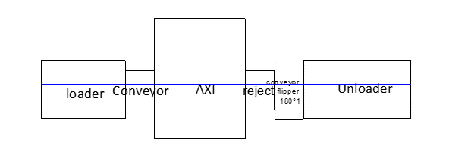

Manpower*0.5

Manpower*0.5

Manpower*0.5

4

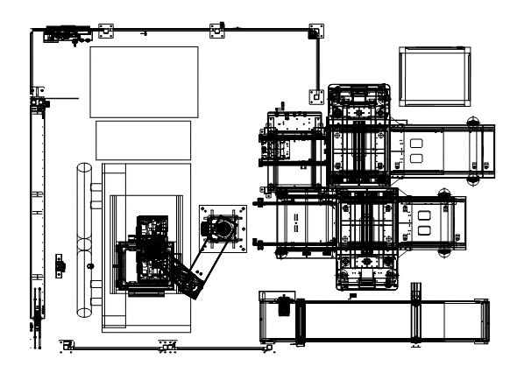

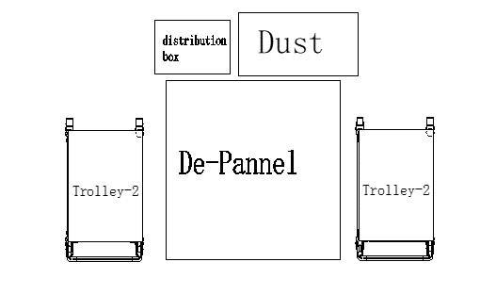

5

6



7

FVT
FVT

